CuO
Slab optimisation | T=5 | ADSORP |  |  | Slab optimisation | T=5 | Bonding
2x2 | 0 | 90 | 180 |  | 2x2 | 0 | 90 | 180 |  |  | Plotting data for graphs - BONDING ENERGIES |  |  |  |  | Plotting data for graphs - ADSORPTION ENERGIES
System | -31.989384 | -26.779677 | -28.797415 |  | System | -28.791505 | -26.779677 | -28.797415 |  |  | Slab Size | Bonding Energy | Bonding Energy | Bonding Energy | Bonding Energy | Slab Size | Adsorption Energy | Adsorption Energy | Adsorption Energy | Adsorption Energy
Surface | 0 | 0 | 0 |  | Surface | 0 | 0 | 0 |  |  | U x V | Kcal/mol | Kcal/mol | Kcal/mol | Kcal/mol | U x V | Kcal/mol | Kcal/mol | Kcal/mol | Kcal/mol
Molecule | -17.887349 | -17.081065 | -15.904867 | Average adsorp energy | Molecule | -17.429615 | -17.429615 | -17.429615 | Average bonding energy |  |  | 0 Degrees | 90 Degrees | 180 Degrees | Average |  | 0 Degrees | 90 Degrees | 180 Degrees | Average
Adsorption | -14.102035 | -9.698612 | -12.892548 | -12.231065 | Bonding | -11.36189 | -9.350062 | -11.3678 | -10.693250667 |  | 2x2 | -11.36189 | -9.35006 | -11.3678 | -10.69325 | 2x2 | -12.88664 | -9.69861 | -12.89255 | -11.82593
 |  |  |  |  |  |  |  |  |  |  | 3x3 | -12.1186 | -13.49492 | -12.85422 | -12.82258 | 3x3 | -12.39646 | -14.39425 | -13.9419 | -13.57753
3x3 | 0 | 90 | 180 |  | 3x3 | 0 | 90 | 180 |  |  | 4x4 | -13.24545 | -13.37885 | -12.64916 | -13.09115 | 4x4 | -13.78664 | -13.9477 | -13.25851 | -13.66428
System | -29.409393 | -30.785714 | -30.145019 |  | System | -29.409393 | -30.785714 | -30.145019 |  |  | 5x5 | -12.9327 | -13.59148 | -12.03115 | -12.85178 | 5x5 | -13.23097 | -14.11298 | -12.95936 | -13.43444
Surface | 0 | 0 | 0 |  | Surface | 0 | 0 | 0 |  |  | 6x6 | -13.37013 | -14.06745 | -12.72062 | -13.38606 | 6x6 | -14.02664 | -14.69842 | -13.69913 | -14.1414
Molecule | -17.012936 | -16.391469 | -16.203117 | Average adsorp energy | Molecule | -17.290796 | -17.290796 | -17.290796 | Average bonding energy
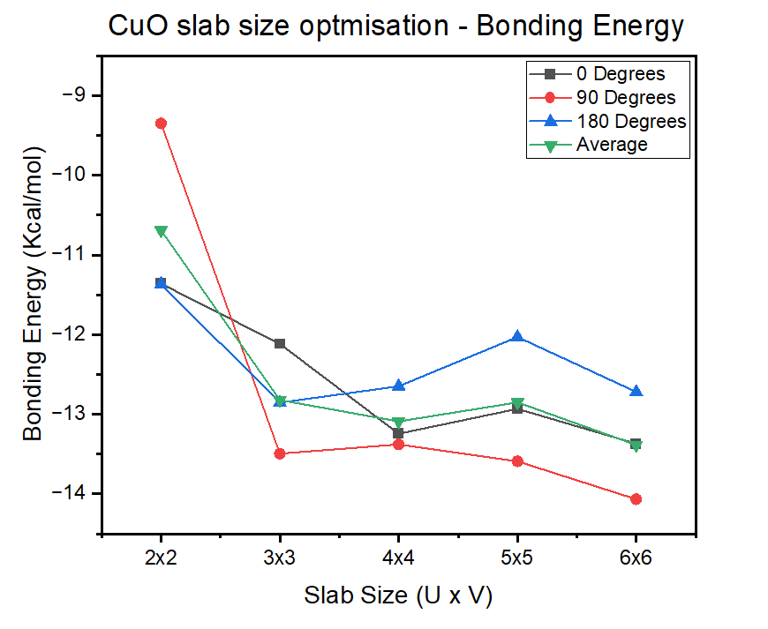
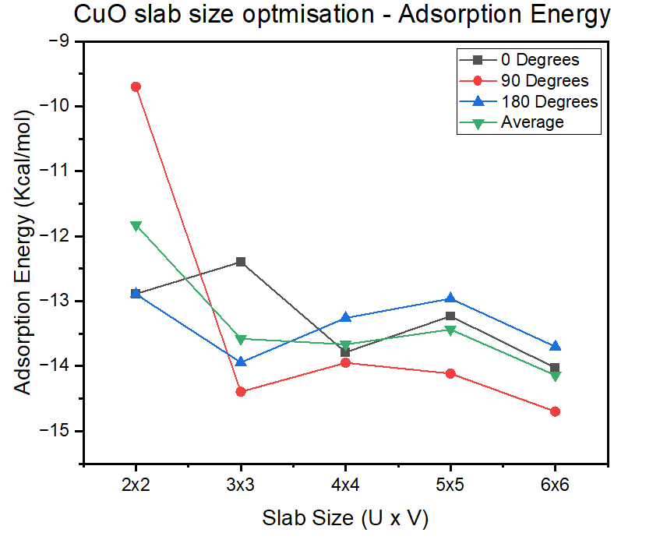
Adsorption | -12.396457 | -14.394245 | -13.941902 | -13.577534667 | Bonding | -12.118597 | -13.494918 | -12.854223 | -12.822579333

4x4 | 0 | 90 | 180 |  | 4x4 | 0 | 90 | 180
System | -30.162947 | -30.296346 | -29.566664 |  | System | -30.162947 | -30.296346 | -29.566664
Surface | 0 | 0 | 0 |  | Surface | 0 | 0 | 0
Molecule | -16.376303 | -16.348648 | -16.308153 | Average adsorp energy | Molecule | -16.9175 | -16.9175 | -16.9175 | Average bonding energy
Adsorption | -13.786644 | -13.947698 | -13.258511 | -13.664284333 | Bonding | -13.245447 | -13.378846 | -12.649164 | -13.091152333

5x5 | 0 | 90 | 180 |  | 5x5 | 0 | 90 | 180
System | -29.830567 | -30.489341 | -28.929016 |  | System | -29.830567 | -30.489341 | -28.929016
Surface |  |  |  |  | Surface | 0 | 0 | 0
Molecule | -16.599594 | -16.376359 | -15.969658 | Average adsorp energy | Molecule | -16.897866 | -16.897866 | -16.897866 | Average bonding energy
Adsorption | -13.230973 | -14.112982 | -12.959358 | -13.434437667 | Bonding | -12.932701 | -13.591475 | -12.03115 | -12.851775333

6x6 | 0 | 90 | 180 |  | 6x6 | 0 | 90 | 180
System | -30.269084 | -30.966408 | -29.619577 |  | System | -30.269084 | -30.966408 | -29.619577
Surface |  |  |  |  | Surface
Molecule | -16.242442 | -16.267988 | -15.920445 | Average adsorp energy | Molecule | -16.898959 | -16.898959 | -16.898959 | Average bonding energy
Adsorption | -14.026642 | -14.69842 | -13.699132 | -14.141398 | Bonding | -13.370125 | -14.067449 | -12.720618 | -13.386064

Adsorption Characteristics
Adsorption Energy | 0 | 90 | 180
System | -30.162947 | -30.296346 | -29.566664
Surface | 0 | 0 | 0
Molecule | -16.376303 | -16.348648 | -16.308153 | Average adsorp energy
Adsorption | -13.786644 | -13.947698 | -13.258511 | -13.664284333
Bonding Characteristics
Bonding Energy | 0 | 90 | 180
Select 4x4 as it has relatively low energy after the plateau for every orientation of heptane, 6x6 would be computationally too demanding.
System | -30.162947 | -30.296346 | -29.566664
Surface
Molecule | -16.9175 | -16.9175 | -16.9175 | Average bonding energy
Bonding | -13.245447 | -13.378846 | -12.649164 | -13.091152333

Bonding an Adsorption energies for n-Heptane on CuO surface for optimised slab size 4x4
Optimal slab size | n-heptane orientation | Bonding E | Adsorp E | Distance (Angstroms) | Catalyst | Average Eb | SD of Eb | LD50 (mg/Kg) | Price USD$ per metric tonne (mT) | Goal Function
4x4 | 0 | -13.245447 | -13.786644 | 3.64 | CuO | -13.091152333 | 0.317242 | 2000 | 5850 | 0.463878
 | 90 | -13.378846 | -13.947698 | 3.541 | Al2O3 | -22.689564333 | 1.3942750027 | 5000 | 366 | 0.887487
 | 180 | -12.649164 | -13.258511 | 3.806
Average |  | -13.091152333 | -13.664284333 | 3.6623333333
Standard Deviation |  | 0.31724237674 | 0.29436213101 | 0.10933231707 | LD50 for CuO | https://echa.europa.eu/registration-dossier/-/registered-dossier/15562/7/3/1
 |  |  |  |  | LD50 for Al2O3 | https://pubchem.ncbi.nlm.nih.gov/compound/aluminum%20oxide#section=Non-Human-Toxicity-Excerpts
 |  |  |  |  | Price for CuO | https://www.intratec.us/solutions/primary-commodity-prices/commodity/copper-oxide-prices
 |  |  |  |  | Price for Al2O3 | https://www.intratec.us/solutions/primary-commodity-prices/commodity/aluminum-oxide-prices

Al2O3
Slab optimisation | T=5 | ADSORP |  |  | Slab optimisation | T=5 | Bonding
2x2 | 0 | 90 | 180 |  | 2x2 | 0 | 90 | 180 |  | Plotting data for graphs - BONDING ENERGIES |  |  |  |  | Plotting data for graphs - ADSORPTION ENERGIES
System | -40.360471 | -41.950387 | -37.888744 |  | System | -40.360471 | -41.950387 | -37.888744 |  | Slab Size | Bonding Energy | Bonding Energy | Bonding Energy | Bonding Energy | Slab Size | Adsorption Energy | Adsorption Energy | Adsorption Energy | Adsorption Energy
Surface | 0 | 0 | 0 |  | Surface | 0 | 0 | 0 |  | U x V | Kcal/mol | Kcal/mol | Kcal/mol | Kcal/mol | U x V | Kcal/mol | Kcal/mol | Kcal/mol | Kcal/mol
Molecule | -15.402079 | -15.264454 | -16.139544 | Average adsorp energy | Molecule | -17.668311 | -17.658397 | -17.669265 | Average bonding energy |  | 0 Degrees | 90 Degrees | 180 Degrees | Average |  | 0 Degrees | 90 Degrees | 180 Degrees | Average
Adsorption | -24.958392 | -26.685933 | -21.7492 | -24.464508333 | Bonding | -22.69216 | -24.29199 | -20.219479 | -22.401209667 | 2x2 | -22.69216 | -24.29199 | -20.219479 | -22.401209667 | 2x2 | -24.958392 | -26.685933 | -21.7492 | -24.464508333
 |  |  |  |  |  |  |  |  |  | 3x3 | -22.252908 | -24.573126 | -21.242659 | -22.689564333 | 3x3 | -23.556431 | -27.431344 | -22.321435 | -24.436403333
3x3 | 0 | 90 | 180 |  | 3x3 | 0 | 90 | 180 |  | 4x4 | -22.370652 | -23.714667 | -20.34086 | -22.142059667 | 4x4 | -23.698661 | -25.946316 | -21.796816 | -23.813931
System | -39.176907 | -41.497123 | -38.166658 |  | System | -39.176907 | -41.497123 | -38.166658 |  | 5x5 | -22.269941 | -24.845302 | -21.242087 | -22.785776667 | 5x5 | -23.543129 | -24.845302 | -22.325814 | -23.571415
Surface | 0 | 0 | 0 |  | Surface | 0 | 0 | 0 |  | 6x6 | -22.034867 | -24.07198 | -20.174977 | -22.093941333 | 6x6 | -23.421594 | -26.266371 | -21.637956 | -23.775307
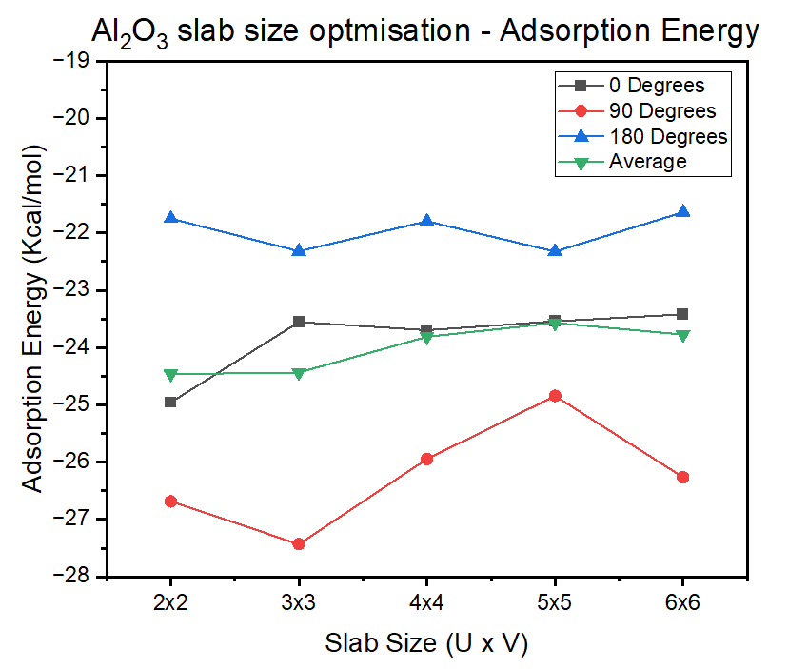
Molecule | -15.620476 | -14.065779 | -15.845223 | Average adsorp energy | Molecule | -16.923999 | -16.923997 | -16.923999 | Average bonding energy
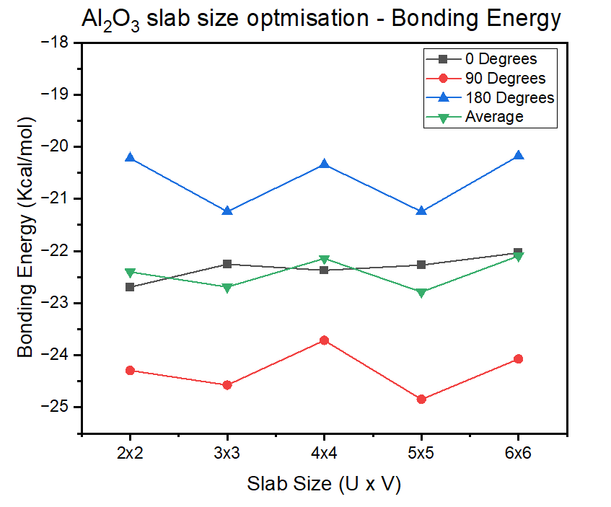
Adsorption | -23.556431 | -27.431344 | -22.321435 | -24.436403333 | Bonding | -22.252908 | -24.573126 | -21.242659 | -22.689564333

4x4 | 0 | 90 | 180 |  | 4x4 | 0 | 90 | 180
System | -39.269025 | -40.6127 | -37.2397 |  | System | -39.269025 | -40.6127 | -37.2397
Surface | 0 | 0 | 0 |  | Surface | 0 | 0 | 0
Molecule | -15.570364 | -14.666384 | -15.442884 | Average adsorp energy | Molecule | -16.898373 | -16.898033 | -16.89884 | Average bonding energy
Adsorption | -23.698661 | -25.946316 | -21.796816 | -23.813931 | Bonding | -22.370652 | -23.714667 | -20.34086 | -22.142059667

5x5 | 0 | 90 | 180 |  | 5x5 | 0 | 90 | 180
System | -39.168714 | -41.7434 | -38.141056 |  | System | -39.168714 | -41.7434 | -38.141056
Surface |  |  |  |  | Surface | 0 | 0 | 0
Molecule | -15.625585 | -16.898098 | -15.815242 | Average adsorp energy | Molecule | -16.898773 | -16.898098 | -16.898969 | Average bonding energy
Adsorption | -23.543129 | -24.845302 | -22.325814 | -23.571415 | Bonding | -22.269941 | -24.845302 | -21.242087 | -22.785776667

6x6 | 0 | 90 | 180 |  | 6x6 | 0 | 90 | 180
System | -38.93229 | -40.969203 | -37.0724 |  | System | -38.93229 | -40.969203 | -37.0724
Surface |  |  |  |  | Surface | 0 | 0 | 0
Molecule | -15.510696 | -14.702832 | -15.434444 | Average adsorp energy | Molecule | -16.897423 | -16.897223 | -16.897423 | Average bonding energy
Adsorption | -23.421594 | -26.266371 | -21.637956 | -23.775307 | Bonding | -22.034867 | -24.07198 | -20.174977 | -22.093941333

Adsorption Characteristics
Adsorption Energy | 0 | 90 | 180
System | -39.176907 | -41.497123 | -38.166658
Surface | 0 | 0 | 0
Molecule | -15.620476 | -14.065779 | -15.845223 | Average adsorp energy
Adsorption | -23.556431 | -27.431344 | -22.321435 | -24.436403333
Bonding Characteristics
Bonding Energy | 0 | 90 | 180
System | -39.176907 | -41.497123 | -38.166658
Athough there is no plateau, select 3x3 as a balance between having a low average energy and a smaller slab system to reduce computational cost. 2x2 is too small as the vacuum slab at this dimension can cause over potential issues with Heptane.
Surface | 0 | 0 | 0
Molecule | -16.923999 | -16.923997 | -16.923999 | Average bonding energy
Bonding | -22.252908 | -24.573126 | -21.242659 | -22.689564333

Bonding an Adsorption energies for n-Heptane on Al2O3 surface for optimised slab size 2x2
Optimal slab size | n-heptane orientation | Bonding E | Adsorp E | Distance (Angstroms)
3x3 | 0 | -22.252908 | -23.556431 | 3.443
 | 90 | -24.573126 | -27.431344 | 3.376
 | 180 | -21.242659 | -22.321435 | 3.692
Average |  | -22.689564333 | -24.436403333 | 3.5036666667
Standard Deviation |  | 1.3942750027 | 2.1769330073 | 0.13595178884

